Screenshot
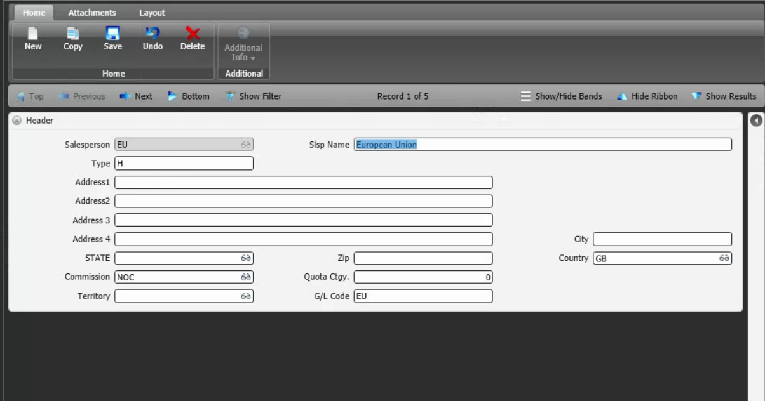
Reference Screen | Salesperson

